Sheet1
 |  | Hussain and friends Sdn.Bhd
 |  | Calculate Net Present Value (NPV) for Investmeant

 |  | 2020 | 2021 | 2022 | 2023 | 2024 | 2025 | 2026 | 2027
 |  | Actual | Plan | Plan | Plan | Plan | Plan | Plan | Plan
 |  | Investment
Cash flow | Total | $1,000,000.00 | $200,000.00 | $225,000.00 | $250,000.00 | $296,000.00 | $330,500.00 | $393,000.00 | $450,300.00
Discounted Rate (Risk) | 8%
NPV(Manual) | $1,529,448.45 |  | $185,185.19 | $192,901.23 | $198,458.06 | $217,568.84 | $224,932.75 | $247,656.66 | $262,745.72
NPV(Formula) | $1,529,448.45
The higher the NPV, the better.Meansthe return from a project exceeds the cost of capital | $529,448.45 | Accepted
 | 35%
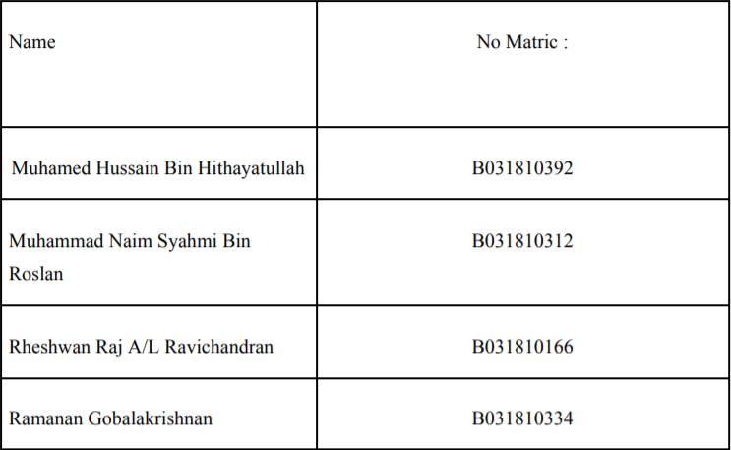
 |  |  |  | Group Members :

